Sheet1
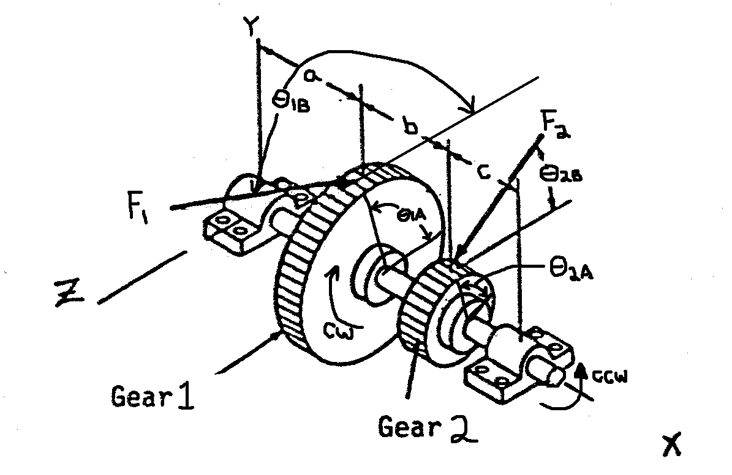
Input Info
Outpu Info |  |  |  | Torque | 747.70995273 | lb*in

Shaft Power | 26.1 | HP |  |  | F res | Fz | Fy
Shaft Speed | 2200 | RPM |  | Gear 1 | 471.43 | -427.26 | -199.23 | lb
 |  |  |  | Gear 2 | 733.34 | 664.63 | -309.92 | lb
 | Gear 1 | Gear 2
No. Teeth | 42 | 18 |  |  | Ray | Raz | Ra Total
Face Width | 1.4 | 1.4 |  |  | 211.88559332 | 74.60222483 | 224.63525237
Diam. Pitch | 12 | 8 | in. |  | Rby | Rbz | Rb Total
Diameter | 3.5 | 2.25 | in. |  | 297.27368958 | -311.96859355 | 430.92464524

 | Dimensions |  |  |  | Conversion
a | 1.6 |  |  |  | Degrees | Radians
b | 1.4 |  |  |  | 25 | 0.436332313
c | 1.2
q1a | 1.5708
q1b | 2.70526
q2a | 1.5708
q2b | 0.436332

Shear/Moment Diagram--XY Plane
XY Plane Coordinates
Shear |  | Moment
x axis | y axis | x axis | y axis
0 | 211.89 | 0 | 0
1.6 | 211.89 | 1.6 | 339.01694931
1.6 | 12.65 | 3 | 356.7284275
3 | 12.65 | 4.2 | -2.2737367544E-13
3 | -297.27
4.2 | -297.27
4.2 | 0.00

Shear/Moment Diagram--XZ Plane
XZ Plane Coordinates
x axis | y axis | x axis | y axis
0 | 74.60 | 0 | 0
1.6 | 74.60 | 1.6 | 119.36355973
1.6 | -352.66 | 3 | -374.36231226
3 | -352.66 | 4.2 | -2.842170943E-13
3 | 311.97
4.2 | 311.97
4.2 | 0.00

Total | Moment | Neut. Axis Angle
Gear 1 | 359.41640379 | -70.603481515
Gear 2 | 517.10957429 | 43.618295574

Max Moment | 517.10957429 | lb*in
at | Gear 2

